Dashboard
 |  |  |  | Open Telekom Cloud - VPC

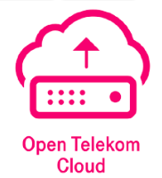

 |  |  | Test Case Summary |  |  |  | Testing Details

 | OTC-VPC |  |  |  |  | Created By: Sachin Jagtap
 |  |  |  |  |  | Execution Start Date: |  | Execution End Date:

 | Sr No. | Interface Name |  |  | Test Case(s) | Pass | Fail | Partially passed | Concern
 | 1 | Resource (otc_vpc) |  |  | 42 | 0 | 0 | 0 | 0
 | 2 | Datasource (otc_vpc) |  |  | 14 | 0 | 0 | 0 | 0

VPC Route
Creating a VPC Route |  |  |  |  |  |  |  |  | 35298
Querying a VPC Route
Querying VPC Routes
Deleting a VPC Route

VPC Peering Connection
Creating a VPC Peering Connection
Querying a VPC Peering Connection
Querying VPC Peering Connections
Updating a VPC Peering Connection
Deleting a VPC Peering Connection
Accepting a VPC Peering Connection
Refusing a VPC Peering Connection

VPC Subnet
Creating a Subnet
Querying Subnet Details
Querying Subnets
Updating Subnet Information
Deleting a Subnet

